Water pump assembly(NEW REVISI)
PT SAPTAINDRA SEJATI
PLANT REBUILD CENTER

ASSEMBLY CHECK SHEET
WATER PUMP
6D140 SERIES

WO NUMBER |  |  |  |  |  |  | PART NAME |  |  |  | WATER PUMP |  | DOCUMENT NO. |  | RC/QR04/EG/04/03
ENGINE MODEL |  |  |  |  |  |  | PART NUMBER |  |  |  |  |  | PUBLIC.DATE
ENGINE S/N |  |  |  |  |  |  | START DATE / TIME |  |  |  |  |  | REVISION NO. |  | 01
MACHINE MODEL |  |  |  |  |  |  | FINISH DATE / TIME |  |  |  |  |  | PAGE

ASSEMBLY BY |  |  |  |  |  |  |  |  |  |  |  |  | All dimension in millimetres
 |  |  |  |  |  |  |  |  |  |  |  |  | All torques in Kilogram metres

NO. | PARTS | CHECK | CONDITIONS TO BE CHECKED |  |  |  |  |  |  |  |  | SPEC. | SIGN |  | REMARKS (SKETCH, PHOTOES, | KETERANGAN REVISI
 |  | POINT |  |  |  |  |  |  |  |  |  |  | MEC | QA/GL | COMMENTS)
1 | Pump |  | Pump body must be free from crack, dent and rush |  |  |  |  |  |  |  |  | See maintenance standard for standard dimension
 | Body |  |  | Clean All Parts througly and make sure that all burns
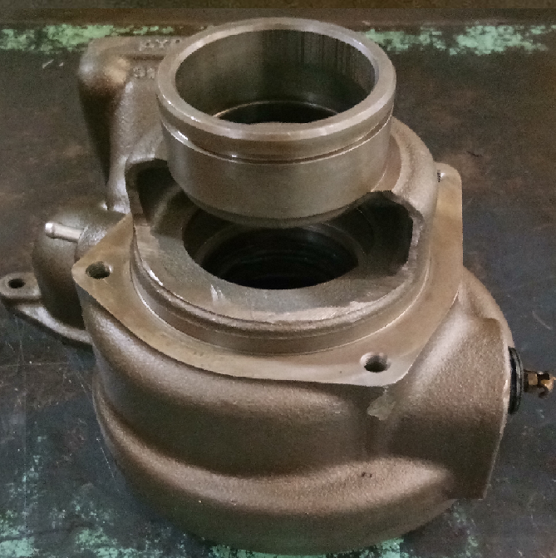
 |  |  |  | have been remove.

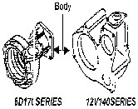
 |  |  |  | Always check the contact of the following parts before
 |  |  |  | assembly. See checking contact between parts.

 |  |  |  | Marking with paint maker, for all of bolts and nuts after
 |  |  |  | tightening by torque wrench

2 | Housing |  | Housing must be free from crack, dents and rust
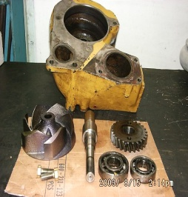
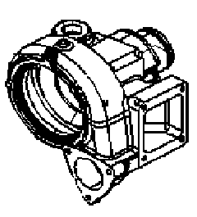
 |  |  | All threads are in good condition and clean

 |  |  | Make sure that face (clearance area) is in good
 |  |  | and clean

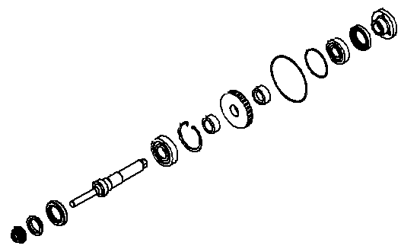
3 | Other |  | Recheck condition of bearings, oil seal, shaft, impeller, |  |  |  |  |  |  |  |  | Refer and
 | Parts |  | water seal, gear, snap ring, bolts and washers should |  |  |  |  |  |  |  |  | follow PSN
 |  |  | be free from crack, rust, dents, scratch and pitting

4 | Install Oil Seal to housing |  | Oil seal seat must be clean and dry (free from oil, |  |  |  |  |  |  |  |  | Use oil seal
 |  |  | fuel or water) |  |  |  |  |  |  |  |  | installer
 |  |  | Coat the out side of oil seal with LG 1215. |  |  |  |  |  |  |  |  |  |  |  |  | Penambahan coat LG 1215out side of oil seal

 |  |  | Insert oil seal using special tools

 |  |  | Coat the seal lip with grease sufficiently |  |  |  |  |  |  |  |  | G2-LI

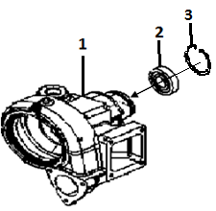
5 | Insert Bearing to housing |  | Bearings(2) and bearing seat(1) must be clean. |  |  |  |  |  |  |  |  | Use special
 |  |  | Coat Few oil in out race bearing. |  |  |  |  |  |  |  |  | Tools and
 |  |  | Insert Big bearing to housing using special tools. |  |  |  |  |  |  |  |  | Press by
 |  |  |  |  |  |  |  |  |  |  |  | Hyd.Jack

 |  |  | Make sure that bearings center to housing(bearing seat)when assembly.

 |  |  | Install snapring (3).to groove until fixted.

2
3
4
NO. | PARTS | CHECK | CONDITIONS TO BE CHECKED |  |  |  |  |  |  |  |  | SPEC. | SIGN |  | REMARKS (SKETCH, PHOTOES,
 |  | POINT |  |  |  |  |  |  |  |  |  |  | MEC | QA/GL | COMMENTS)
6 | Aligment drive gear assy and insert small bearing assy |  | Align spacer (2),drive gear(3)& Spacer with grove(4).
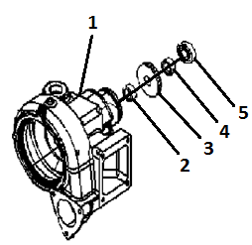
 |  |  | Coat Few oil in out race bearing. |  |  |  |  |  |  |  |  |  |  |  |  | penggantian engine oil with brake fuild
 |  |  | Insert Small bearing to housing using special tools.

 |  |  | Insert shaft ass’y(6) to the drive gear from back side housing.
 |  |  |  |  |  |  |  |  |  |  |  | Use special
 |  |  | Hold small bearing with special tool when install shaft assy. |  |  |  |  |  |  |  |  | Tools |  |  |  | Penambahan sketch snapring position
 |  |  |  |  |  |  |  |  |  |  |  | (Shaft
 |  |  | Make sure that shaft assy is centering to body when shaft inserten to spacer and drive gear . |  |  |  |  |  |  |  |  | Installer )

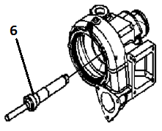
 |  |  | CAUTION!!
 |  |  | Recheck and make sure that oil seal,spacer and gear

 |  |  | An is hit or n't damage when inserting the shaft
 |  |  | Check shaft from smooth rotation. |  |  |  |  |  |  |  |  |  |  |  |  | Penghapusan jumlah snap ring yang di install.
 |  |  | Standard of interference between Gear and Shaft |  |  |  |  |  |  |  |  | 0.025 ~ 0.07 mm |  |  |  | penghapusan press fitting force for gear

 |  |  |  |  | Act. Interference : mm

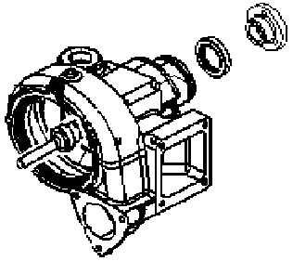
10 | Insertion Seal and hub
 |  |  | Insert Seal and Hub.

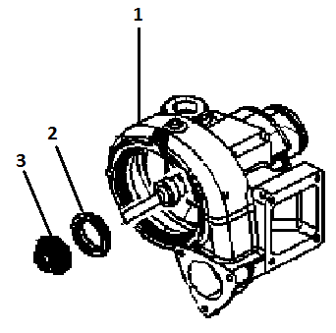
8 | Insertion Water seal to housing |  | Make sure that the condition of water seal is free |  |  |  |  |  |  |  |  | Follow and
 |  |  | from scratch, crack, pitting, dents, corrosive, worn, |  |  |  |  |  |  |  |  | refer to the
 |  |  | and etc. |  |  |  |  |  |  |  |  | PSN
 |  |  | Here is critical point, be careful |  |  |  |  |  |  |  |  |  |  |  |  | penggantian keterangan adhesive menjadi loctite 609
 |  |  | Coat the outer side of water seal with adhesive(contact with housing) |  |  |  |  |  |  |  |  | LOCTITE 609
 |  |  |  |  |  |  |  |  |  |  |  | (green loctite)
 |  |  | Insert water seal using special tools |  |  |  |  |  |  |  |  | Toilet Soap(sabun)
 |  |  | Coat the rubber surface water seal with "soap"(contact with impeller)

9 |  |  | Insert the impeller and Make sure that is fit in the grove.

 |  |  | Coat the hole of the impeller with small quantity
 |  |  | of BRAKE FLUID be carefull when insert the Impeller
 |  |  |  |  |  |  |  |  |  |  |  | Use special tool and hdy jack
 |  |  | Insert impeller to shaft with Special tool.

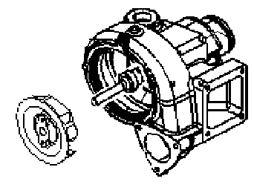
 |  |  | Standard of interference between impeler and Shaft |  |  |  |  |  |  |  |  |  |  |  |  | penggantian engine oil with brake fuild
 |  |  |  |  | Act. Interference : mm |  |  |  |  |  |  | 0.025 ~ 0.068 mm

 |  |  | Clearence between impeller and connector / housing
 |  |  |  |  |  | Standard Clearance |  |  |  |  |  | 0.23 ~ 0.66 mm
 |  |  |  |  | Act. Clearance = mm
 |  |  | Insert the impeller to the shaft until contact to
 |  |  | the end of the shaft.

NO. | PARTS | CHECK | CONDITIONS TO BE CHECKED |  |  |  |  |  |  |  |  | SPEC. | SIGN |  | REMARKS (SKETCH, PHOTOES,
 |  | POINT |  |  |  |  |  |  |  |  |  |  | MEC | QA/GL | COMMENTS)
11 | General |  |  |  |  |  |  |  |  | √ : Check
 | Inspection |  | - Check Shaft for smooth rotation |  |  |  |  |  |  | OK

 |  |  | - Recheck position of snap ring |  |  |  |  |  |  | OK

 |  |  | - Check loose bolts from mistake |  |  |  |  |  |  | OK

 |  |  | - Check all parts from improper |  |  |  |  |  |  | OK
 |  |  | installation
 |  |  | - Check and keep completion parts |  |  |  |  |  |  | OK

12 | End play |  | Measure End play of water pump shaft before delivery to |  |  |  |  |  |  |  |  | Standard
 | water pump |  | Main line |  |  |  |  |  |  |  |  | End play
 |  |  |  |  |  |  |  |  |  |  |  | 0

MECHANIC ASSEMBLY COMMENT

 | ASSEMBLY BY |  |  |  |  |  |  |  | INSPECTED & APPROVED BY

 | MECHANIC (MECH) |  |  |  |  |  |  | QUALITY ASSURANCE (QA) |  |  |  |  |  | GL/SPV PRODUCTION

